More -->

Learn More

Free Tutorials

This course has enabled me to finish jobs in 5-10% of the time due to my ability to process Excel so far. It has also given me the confidence to better get around Excel.
- Mitchell Ryan
Explore my free Excel tutorials for easy tips on dashboards, charts, advanced formulas, and quick productivity hacks.
Free Tutorials

Courses Designed for Your Success
I'm using Excel often at work as a business architect. I was able to achieve what I wanted a lot of the time but sometimes, I wasn't using the most efficient way. Hence, I subscribed to the Black Belt package. There were a lot of AH-HA moments! I'm now able to use Power Query and build good looking dashboards more easily but it's only the first course out of a series I'm taking with you. I'm very excited about it!
- Christian Fiset (Excel Black Belt Bundle)
Discover the structured path to mastering Excel at your own pace with our bestselling courses. Explore them now:
Enroll Now

Dataset
Quarter | Data | Sales (In Million) | LINE CHART - A lot of peak and valleys , so can't use linear trends to pedict next quarters
1 | 2012-04-30 | $17,808
2 | 2012-07-31 | $20,570
3 | 2012-10-31 | $18,130
4 | 2013-01-31 | $18,246
1 | 2013-04-30 | $19,124
2 | 2013-07-31 | $22,522
3 | 2013-10-31 | $19,470
4 | 2014-01-31 | $17,696
1 | 2014-04-30 | $19,687
2 | 2014-07-31 | $23,811
3 | 2014-10-31 | $20,516
4 | 2015-01-31 | $19,162
1 | 2015-04-30 | $20,891
2 | 2015-07-31 | $24,829
3 | 2015-10-31 | $21,819
4 | 2016-01-31 | $20,980
1 | 2016-04-30 | $22,762
2 | 2016-07-31 | $26,472
3 | 2016-10-31 | $23,154
4 | 2017-01-31 | $22,207
1 | 2017-04-30 | $23,887
2 | 2017-07-31 | $28,108
3 | 2017-10-31 | $25,026
4 | 2018-01-31 | $23,883
1 | 2018-04-30 | $24,947
2 | 2018-07-31 | $30,463
3 | 2018-10-31 | $26,302
4 | 2019-01-31 | $26,491
1 | 2019-04-30 | $26,381
2 | 2019-07-31 | $30,839
3 | 2019-10-31 | $27,223
4 | 2020-01-31 | $25,782
1 | 2020-04-30 | $28,260
2 | 2020-07-31 | $38,053
3 | 2020-10-31 | $33,536
4 | 2021-01-31 | $32,261
1 | 2021-04-30 | $37,500
2 | 2021-07-31 | $41,118

Prediction& ConfidenceInterval
Data | Sales (In Million) | Forecast(Sales (In Million)) | Lower Confidence Bound(Sales (In Million)) | Upper Confidence Bound(Sales (In Million))
2012-04-30 | $17,808
2012-07-31 | $20,570
2012-10-31 | $18,130
 | Sales (In Million) | Forecast(Sales (In Million)) | Lower Confidence Bound(Sales (In Million)) | Upper Confidence Bound(Sales (In Million))
 | $17,808
 | $20,570
 | $18,130
 | $18,246
 | $19,124
 | $22,522
 | $19,470
 | $17,696
 | $19,687
 | $23,811
 | $20,516
 | $19,162
 | $20,891
 | $24,829
 | $21,819
 | $20,980
 | $22,762
 | $26,472
 | $23,154
 | $22,207
 | $23,887
 | $28,108
 | $25,026
 | $23,883
 | $24,947
 | $30,463
 | $26,302
 | $26,491
 | $26,381
 | $30,839
 | $27,223
 | $25,782
 | $28,260
 | $38,053
 | $33,536
 | $32,261
 | $37,500
 | $41,118 | 41118 | 41118 | 41118
 |  | 36750.678274 | 33955.662828 | 39545.693719
 |  | 35852.19489 | 32491.452671 | 39212.937109
 |  | 38395.522016 | 34550.069536 | 42240.974496
 |  | 42928.830999 | 38652.047569 | 47205.614429
 |  | 38561.509273 | 33686.24843 | 43436.770115
 |  | 37663.025889 | 32438.803717 | 42887.248062
 |  | 40206.353015 | 34654.11667 | 45758.589359
 |  | 44739.661998 | 38876.840386 | 50602.48361
2013-01-31 | $18,246
2013-04-30 | $19,124
2013-07-31 | $22,522
2013-10-31 | $19,470
2014-01-31 | $17,696
2014-04-30 | $19,687
2014-07-31 | $23,811
2014-10-31 | $20,516
2015-01-31 | $19,162
2015-04-30 | $20,891
2015-07-31 | $24,829
2015-10-31 | $21,819
2016-01-31 | $20,980
2016-04-30 | $22,762
2016-07-31 | $26,472
2016-10-31 | $23,154
2017-01-31 | $22,207
2017-04-30 | $23,887
2017-07-31 | $28,108
2017-10-31 | $25,026
2018-01-31 | $23,883
2018-04-30 | $24,947
2018-07-31 | $30,463
2018-10-31 | $26,302
2019-01-31 | $26,491
2019-04-30 | $26,381
2019-07-31 | $30,839
2019-10-31 | $27,223
2020-01-31 | $25,782
2020-04-30 | $28,260
2020-07-31 | $38,053
2020-10-31 | $33,536
2021-01-31 | $32,261
2021-04-30 | $37,500
2021-07-31 | $41,118 | $41,118 | $41,118 | $41,118
2021-10-31 |  | $36,751 | $33,956 | $39,546
2022-01-31 |  | $35,852 | $32,491 | $39,213
2022-05-01 |  | $38,396 | $34,550 | $42,241
2022-07-31 |  | $42,929 | $38,652 | $47,206
2022-10-31 |  | $38,562 | $33,686 | $43,437
2023-01-31 |  | $37,663 | $32,439 | $42,887
2023-05-01 |  | $40,206 | $34,654 | $45,759
2023-07-31 |  | $44,740 | $38,877 | $50,602

Charts_prediction
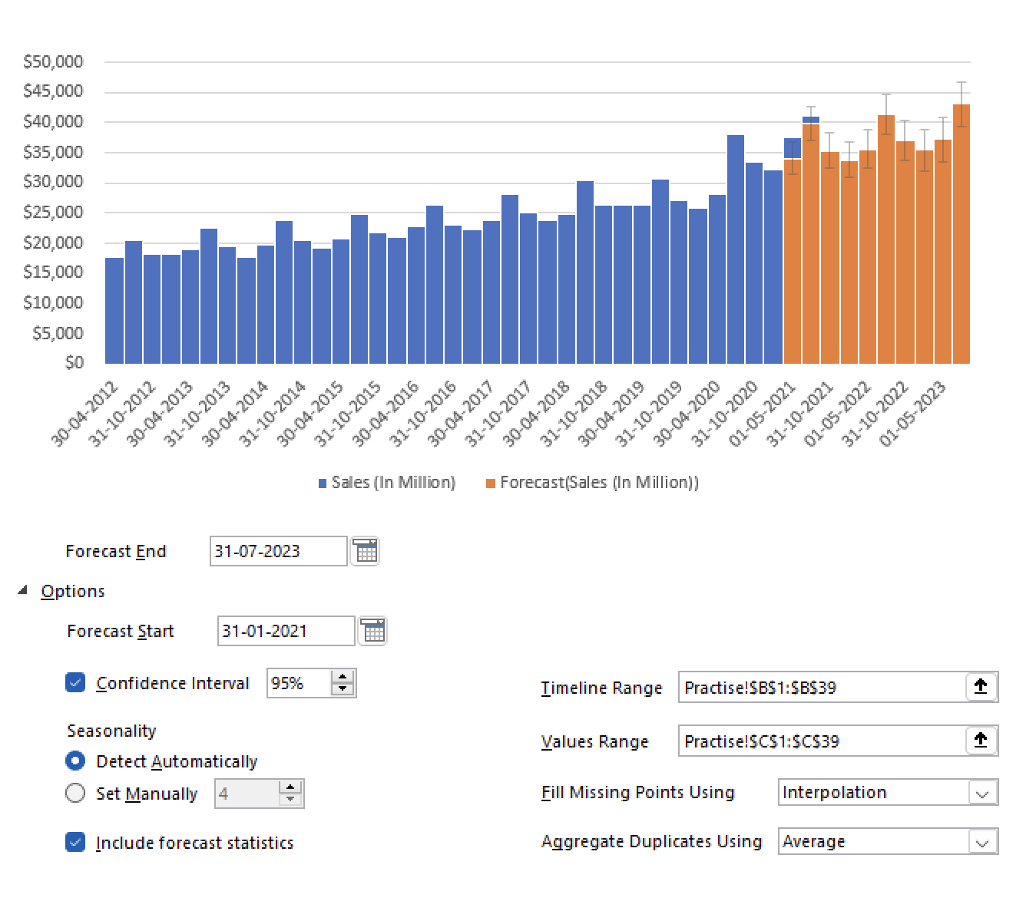
Predictions for the coming year

